ER
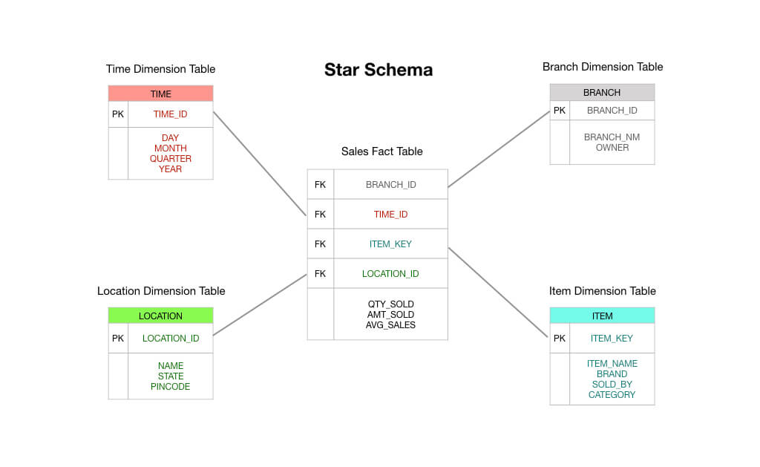
QUESTIONS | ANSWERS
What is an ER Diagram ? | An Entity-Relationship (ER) diagram is a visual representation used in database design to illustrate the logical structure of a database system. It helps to depict the relationships among different entities, the attributes associated with those entities, and how they are interconnected.
When the ER Diagram is required ? | An Entity-Relationship (ER) diagram is a visual representation that helps in designing and understanding the structure of a database. It is especially useful during the initial stages of database design and serves as a communication tool between stakeholders, designers, and developers.
What is an Entity? | An entity refers to a distinct and individual object, concept, or thing about which data is stored.
What are diffrent types of entity? | Strong entity,Week entity,Associative entity,Sub type entity,Attribute entity,Derived entity,Multivalued entity,Temporal Entity,Abstract entity.
What is diffrence between Strong and Weak Entity ? | Strong Entity: A strong entity is an entity that can exist independently and has its own attributes. It's not dependent on another entity for its existence. A weak entity: is an entity that depends on another entity for its existence. It doesn't have sufficient attributes to form a primary key on its own and requires a relationship with a strong entity.
What is an Attribute and explain types of attribute? | An attribute refers to a characteristic or property that describes an entityAn attribute refers to a characteristic or property that describes an entity Types Of Attribute: Simple Attribute: A simple attribute is indivisible and cannot be further broken down into smaller componen ,Composite Attribute: A composite attribute is composed of multiple simple attributes that are relevant to a particular entity. Derived Attribute: A derived attribute is one that can be calculated or derived from other attributes within the entity. Key Attribute: A key attribute is used to uniquely identify an instance of an entity within a database. Multi-valued Attribute: A multi-valued attribute can hold multiple values for a single entity. Null Attribute: A null attribute is one that has not been assigned a value yet. It represents missing or unknown information, Stored Attribute: A stored attribute is one that is stored in the database and takes up physical space. Single-valued Attribute: A single-valued attribute holds a single value for an entity.
Give an example of derived Attributes? | Example: "Total Salary," which can be calculated from "Basic Salary" and "Bonuses".
What are diffrent types of schema ? | Physical Schema,Logical Schema,Conceptual Schema,External Schema.
Waht is Star Schema, when you will use it? | A Star Schema is a type of database schema used in data warehousing , It is designed to optimize querying and reporting performance for analytical queries, making it easier to analyze large volumes of data.
what is Snowflake Schema when you will use it ? | The Snowflake Schema is a database design technique used in data warehousing to structure data with a higher degree of normalization. It's an extension of the more common Star Schema and useful when dealing with complex or highly normalized data.
What is sub Dimmension Table ? | Subdimension table is a type of table used to capture a subset of attributes or dimensions related to a larger, more comprehensive dimension.
What are diffrent kinds of key constrains available in RDBMS ? | Primary key,Candidate key,Unique key,Alternate key,Super key,Foreign key,Composite key.
Can we add more than one one primary key in a table ? | No,We can able to add only one primary key in a table .If we need more then one primary key column for a table we may use composite key.
Can we insert duplicate values in Primary key column ? | N0,We can't insert or add duplicate values In a primary key column.
What is a foreign Key ? | A primary key of another table that is used in the
Can we insert a value to the Foreign key column in Fact Table without adding to the Dimension table ? | If we done such thigs it can lead to data integrity issues.i.e:In a relational database, inserting a value into a foreign key column in a fact table without adding the corresponding value to the dimension table can cause issues like querying issues and complexity&confusion issues .
Given a simple Domain like Hospital,hotel,Sales.Insurance,Movies Draw the ER Diagram for it .
Identitfy the Dimension and Fact table in a ER Diagram ?
What is Stored Procedure, explain its purpose ? | A stored procedure is a precompiled collection of one or more SQL statements or code that can be executed as a single unit within a database management system (DBMS). Stored procedures are typically written in a procedural programming language and stored in the database itself
What is use of Indexing in SQL? | It acts like a roadmap that allows the database management system (DBMS) to locate specific rows efficiently, reducing the need for a full table scan and improving query response times.
How to copy data from one table to another ? | INSERT INTO NEW_Table (employee_id, first_name, last_name) SELECT employee_id, first_name, last_name FROM OLD_TABLE;
How to create one table from another table ? | CREATE TABLE NEW_TNAME(SELECT * FROM OLD_TNAME);

 | HOSPITAL HOTEL SALES INSURANCE
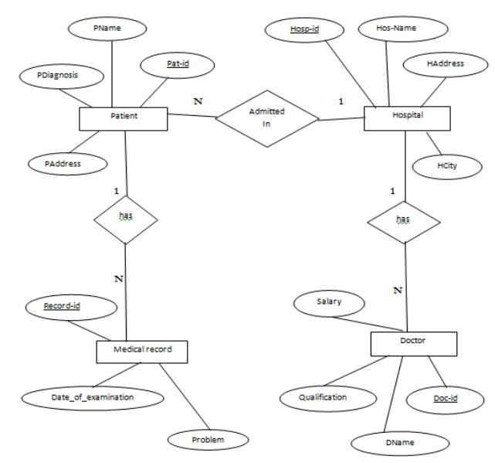
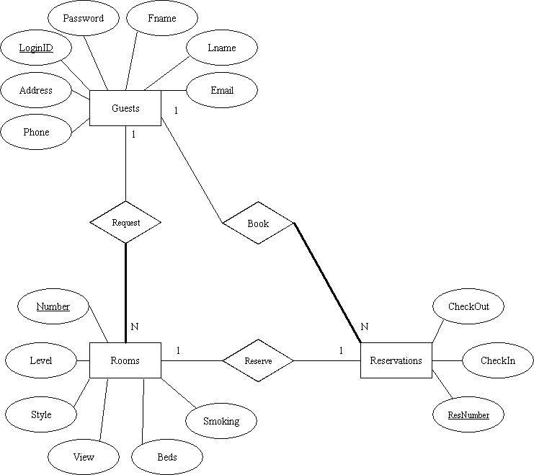
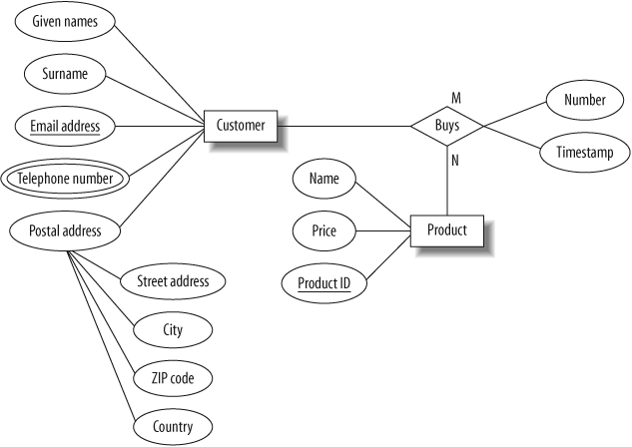
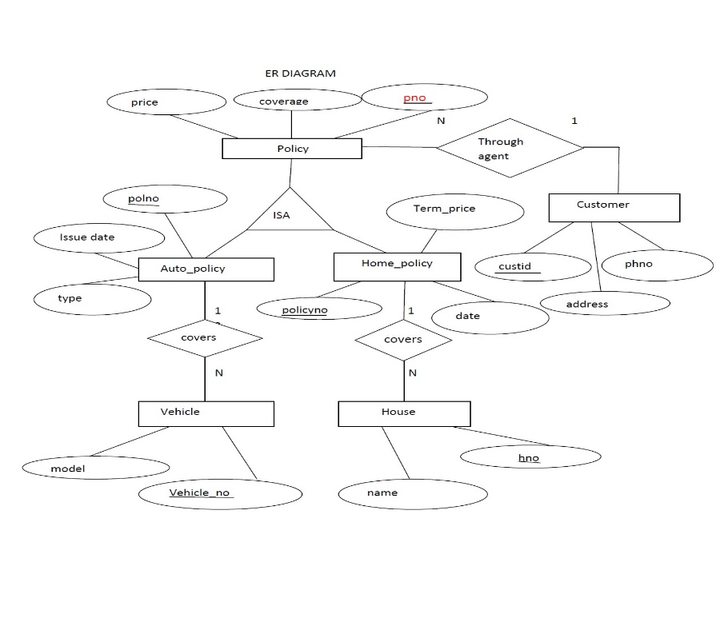

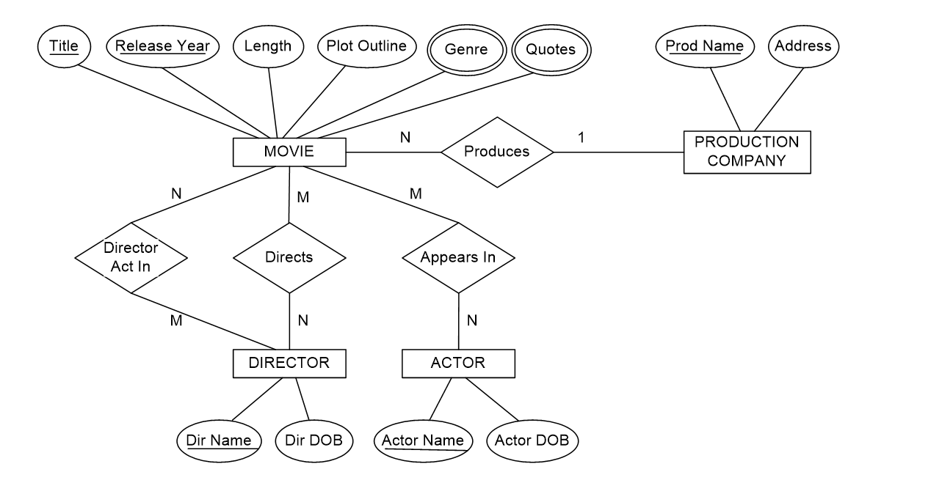
 | MOVIES FACT&DIMENSION TABLE

